IO Domain DTS Config
IO Domain DTS Configuration Checklist (RK809-5 solution @RK3568_AIoT_REF_SCH reference）
IO Domain | IO Domain Power Supply Pin Num | Support 1.8V or 3.3V mode | Source of Power Supply | IO Domain Power Supply Net Name | actual supply voltage | IO Domain Power Supply | IO Domain DTS Configuration | Software Configurable Voltage Mode | Whether the hardware supply voltage matches the software configuration | Matching IO Domain DTS Configuration
PMUIO0 (PMUPLL_AVDD_1V8) | Pin Y21 | Only 1.8V mode | RK809-5 LDO8 | VCCA1V8_PMU | 1.8V | 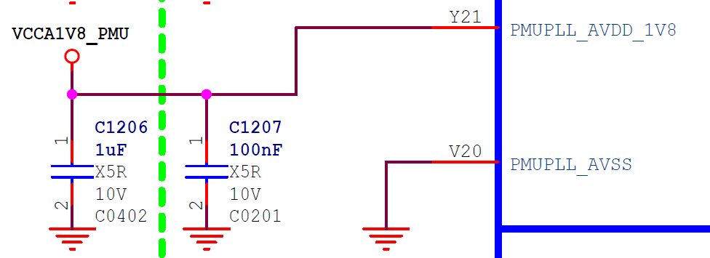 | Not configurable, hardware must supply 1.8V | Only 1.8V mode | match | &pmu_io_domains { status = "okay"; pmuio2-supply = <&vcc3v3_pmu>; vccio1-supply = <&vccio_acodec>; vccio3-supply = <&vccio_sd>; vccio4-supply = <&vcc_1v8>; vccio5-supply = <&vcc_3v3>; vccio6-supply = <&vcc_1v8>; vccio7-supply = <&vcc_3v3>; };
PMUIO1 | Pin Y20 | Only 3.3V mode | RK809-5 LDO6 | VCC3V3_PMU | 3.3V | 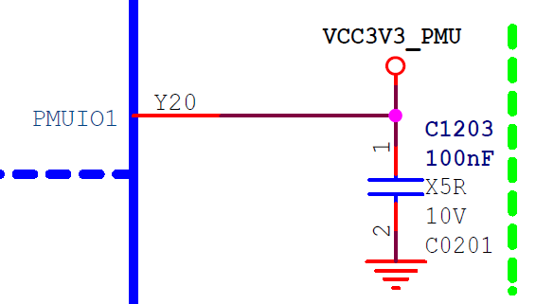 | Not configurable, hardware must supply 3.3V | Only 3.3V mode | match
PMUIO2 | Pin W19 | 1.8V or 3.3V mode | RK809-5 LDO6 | VCC3V3_PMU | 3.3V | 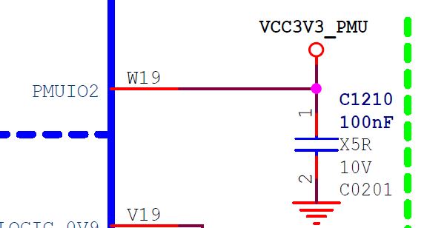 | pmuio2-supply = <&vcc3v3_pmu>; | 3.3V mode | match
VCCIO1 | Pin H17 | 1.8V or 3.3V mode | RK809-5 LDO4 | VCCIO_ACODEC | 3.3V | 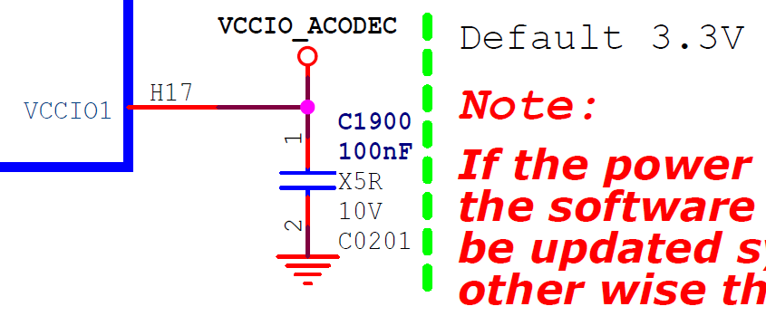 | vccio1-supply = <&vccio_acodec>; | 3.3V mode | match
VCCIO2 | Pin H18 | 1.8V or 3.3V mode | RK809-5 BUCK5 | VCC_1V8 | 1.8V | 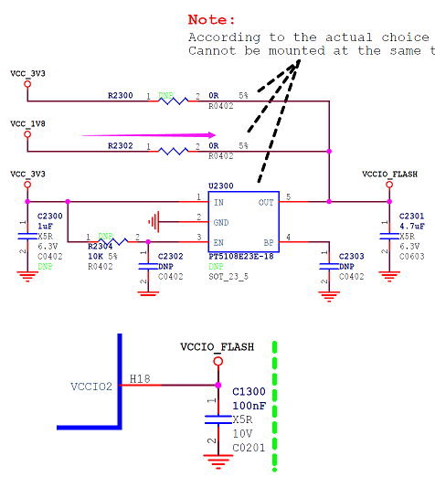 | 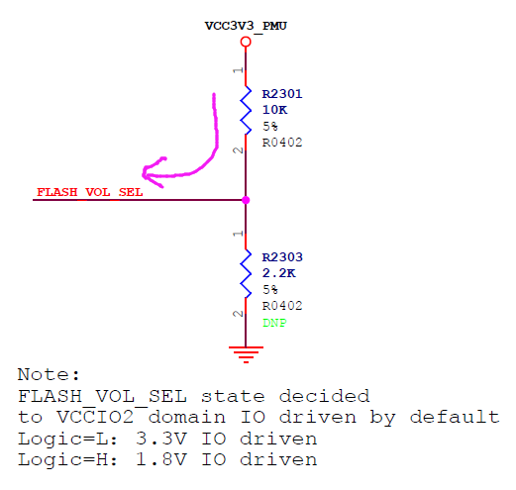 Determined by the state of FLASH_VOL_SEL: FLASH_VOL_SEL=Logic high，1.8V mode FLASH_VOL_SEL=Logic low ，3.3V mode | 1.8V mode | match
VCCIO3 | Pin L22 | 1.8V or 3.3V mode | RK809-5 LDO5 | VCCIO_SD | 3.3V | 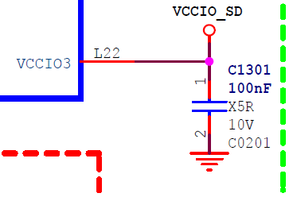 | vccio3-supply = <&vccio_sd>; | 3.3V mode | match
VCCIO4 | Pin J21 | 1.8V or 3.3V mode | RK809-5 BUCK5 | VCC_1V8 | 1.8V | 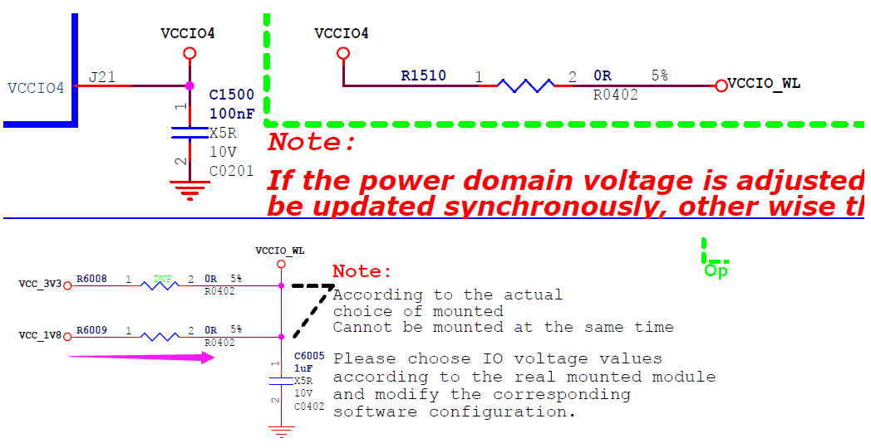 | vccio4-supply = <&vcc_1v8>; | 1.8V mode | match
VCCIO5 | Pin V10/V11 | 1.8V or 3.3V mode | RK809-5 SW1 | VCC_3V3 | 3.3V | 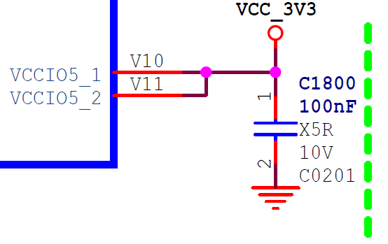 | vccio5-supply = <&vcc_3v3>; | 3.3V mode | match
VCCIO6 | Pin R9/U9 | 1.8V or 3.3V mode | RK809-5 BUCK5 | VCC_1V8 | 1.8V |  | vccio6-supply = <&vcc_1v8>; | 1.8V mode | match
VCCIO7 | Pin V12 | 1.8V or 3.3V mode | RK809-5 SW1 | VCC_3V3 | 3.3V | 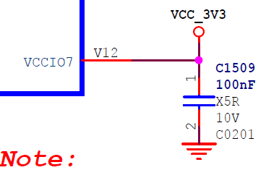 | vccio7-supply = <&vcc_3v3>; | 3.3V mode | match

